scenario diagrams
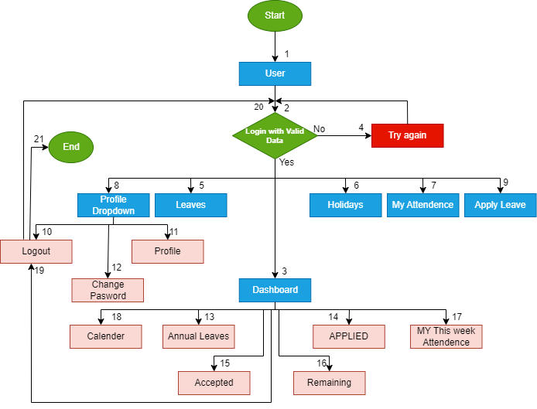

SCENARIO DIAGRAM OF DASHBOARD

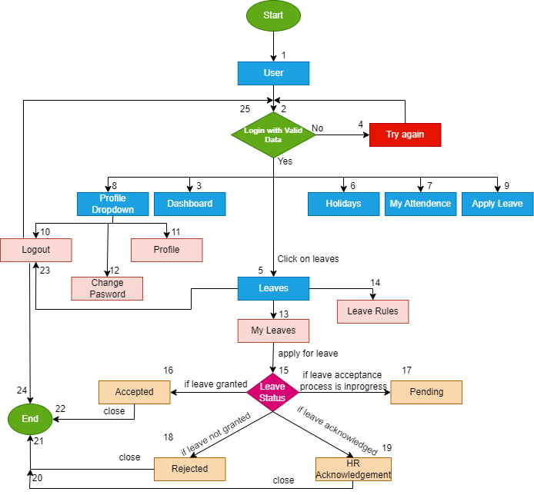

 | STATE TRANSITION DIAGRAM

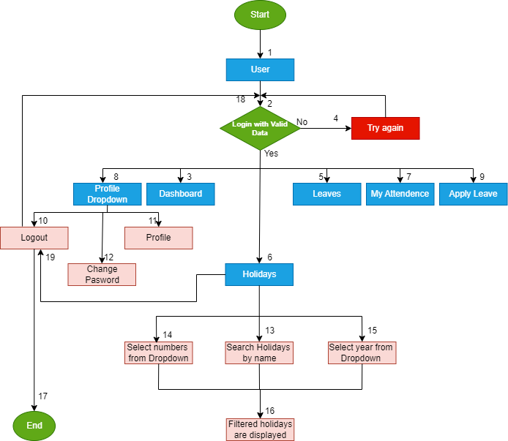

 |  | SCENARIO DIAGRAM OF MY HOLIDAYS

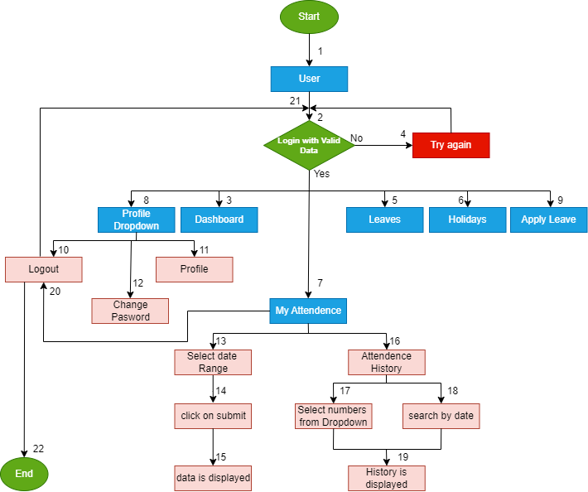

 |  | SCENARIO DIAGRAM OF MY ATTENDENCE

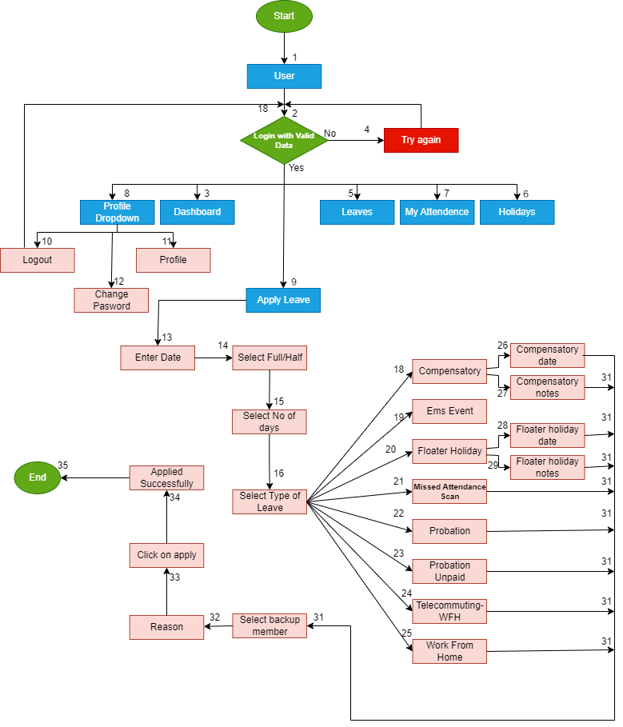

 |  | SCENARIO DIAGRAM OF APPLY LEAVE

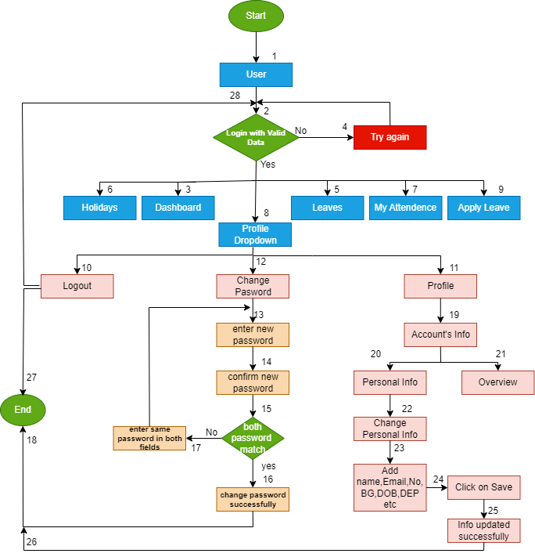

 | SCENARIO DIAGRAM OF PROFILE DROPDOWN

Bugs Reporting
Bug ID | Title/Summary | Reporting Date | Reporter | Test item | Test Environment | Test description | Bug Type | Expected Results | Acrtual Results | Severity | Frequency | Status | Screenshot
BG-01 | In this bug the name field accepts any input type other than alphabets | 2022-10-11 | M Talha Tanveer Qasmi | http://cmdlhrvm54/ | All Browsers | 1.open web http://cmdlhrvm54/ 2. Login to the page 3.go to name dropdown 4.click on profile 5.click on personal info 6.add name 7.click on save | Functional | Error message should be shown that "add valid name" | No error meassage and name with wrong data type is updated | Medium | Everytime | Open | 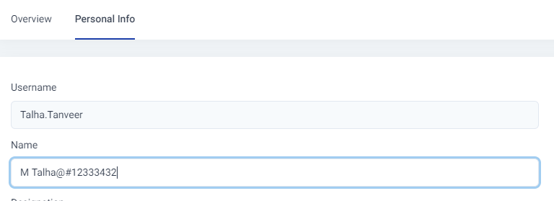
BG-02 | In this bug the phone number field accepts any input type other than numbers/integers | 2022-10-11 | M Talha Tanveer Qasmi | http://cmdlhrvm54/ | All Browsers | 1.open web http://cmdlhrvm54/ 2. Login to the page 3.go to name dropdown 4.click on profile 5.click on personal info 6.add phone number 7.click on save | Functional | Error message should be shown that "add valid phone number" | No error meassage and phone number with wrong data type is updated | Medium | Everytime | Open | 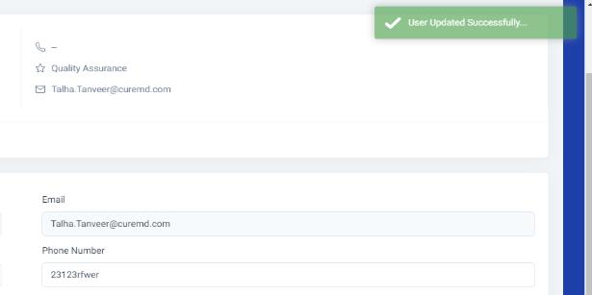
BG-03 | In this bug the blood group field accepts any blood group other than that exists | 2022-10-11 | M Talha Tanveer Qasmi | http://cmdlhrvm54/ | All Browsers | 1.open web http://cmdlhrvm54/ 2. Login to the page 3.go to name dropdown 4.click on profile 5.click on personal info 6.add blood group 7.click on save | Functional | Error message should be shown that "add valid blood group" | No error meassage and blood group with wrong data type is updated | Medium | Everytime | Open | 
BG-04 | In this bug the Date Of Birth field accepts any date format other than that allowed | 2022-10-11 | M Talha Tanveer Qasmi | http://cmdlhrvm54/ | All Browsers | 1.open web http://cmdlhrvm54/ 2. Login to the page 3.go to name dropdown 4.click on profile 5.click on personal info 6.add date | Functional | Error message should be shown that "add valid date" | No error meassage and date with wrong format and data type | Medium | Everytime | Open | 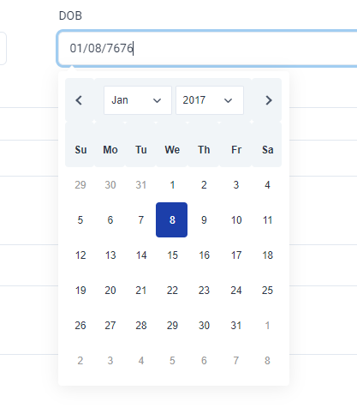
BG-05 | In this bug the FACEBOOK URL field accepts any format other than that allowed | 2022-10-11 | M Talha Tanveer Qasmi | http://cmdlhrvm54/ | All Browsers | 1.open web http://cmdlhrvm54/ 2. Login to the page 3.go to name dropdown 4.click on profile 5.click on personal info 6.add facebook URL 7.click on save | Functional | Error message should be shown that "add valid URL" | No error meassage and URLwith wrong format is updated | Medium | Everytime | Open | 
BG-06 | In this bug the about field accepts any format other than that allowed | 2022-10-11 | M Talha Tanveer Qasmi | http://cmdlhrvm54/ | All Browsers | 1.open web http://cmdlhrvm54/ 2. Login to the page 3.go to name dropdown 4.click on profile 5.click on personal info 6.add about 7.click on save | Functional | Error message should be shown that "add valid data type" | No error meassage and about with wrong data type and apecial characters is updated | Medium | Everytime | Open | 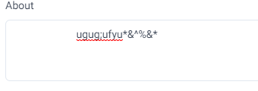
BG-07 | In this bug the overview page is not updated after updating personal info | 2022-10-11 | M Talha Tanveer Qasmi | http://cmdlhrvm54/ | All Browsers | 1.open web http://cmdlhrvm54/ 2. Login to the page 3.go to name dropdown 4.click on profile 5.click on overview | Functional | the overview of profile should be updated after updating personal info | overview is not updated | Medium | Everytime | Open

